Sheet1
VALUATION DETAILS |  |  |  |  |  |  | Other Charges Section changed by Vinaya on 12/08/2025
* | Name of Valuation Agency |  | VS JADON & CO. VALUERS LLP. |  |  |  | Other Charges = (All other charges except legal charges & share money, GST & parking value if any)
* | Date Of Valuation |  | 18/08/2025
* | Product |  | HL - Godrej Housing Finance limited
* | Application ID |  | GHF1004HL0042905
* | Name of Customer/Applicant |  | Akshay Uday Khanolkar and Priyanka Khanolkar
* | Name of the Building / Society |  | Rainbow Life
* | Address of The Property |  | Rainbow Life, S. No.73/1B Near Adhiraj Codename Capital City, Vastu Park Road, Sector 37, Kharghar, Navi Mumbai, Tal. Panvel, Dist. Raigad 410208
* | Documents Provided |  | APF Report & Cost sheet
* | Unit Type |  | Flat |  | 2202 | 2BHK
* | Area of Property |  | Area details (sqft) |  | Carpet Area | 767 | 71.256038647
* | Age of property |  | Under Construction
* | Stage of Construction |  | 0%
* | Structure Description |  | Building = G + 1st to 36th Floor
* | Description of Stage |  | Work not yet Started.
* | % Completed |  | 0%
* | % Recommended |  | 10%
* | % Recommendation (As per Builder Demand Letter) |  | 10%
* | Recommended Rate of Flat per sqft (in ₹) |  | 15000
* | Other Charges (in ₹) |  | 500886
 | (NIL Parking)
* | Realizable value (in ₹) |  | 12005886
NDMA Guidelines
* | Property falls under Seismic Zone | III |  | Property Falls under Flood Zone |  | No
* | Property Falls in Cyclone Zone | No |  | Property Falls in CR Zone |  | No
* | Degree of Risk Associated | Low |  | Any risk of Demolition |  | None
* | Remark | Work not yet Started |  |  |  |  | -2794114
Location cum Route MAP

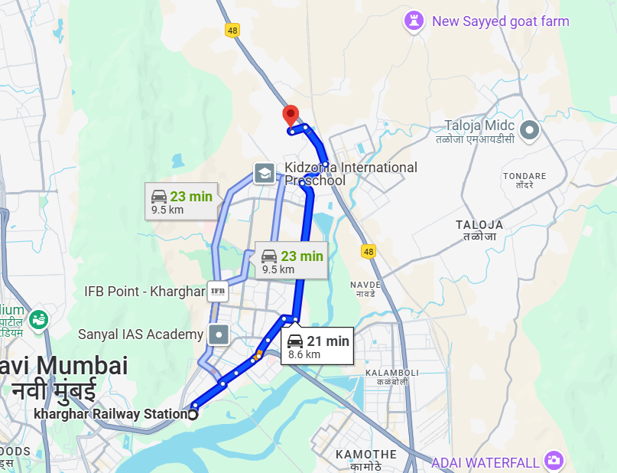

Property Photographs
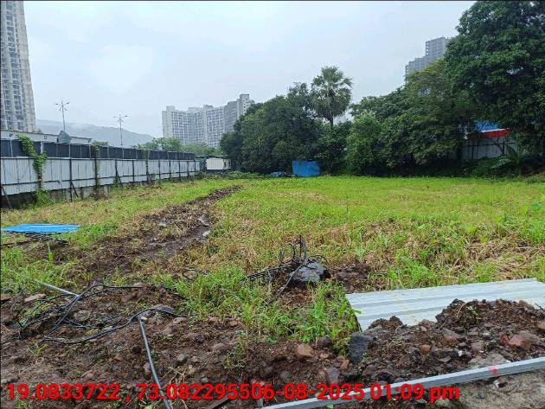
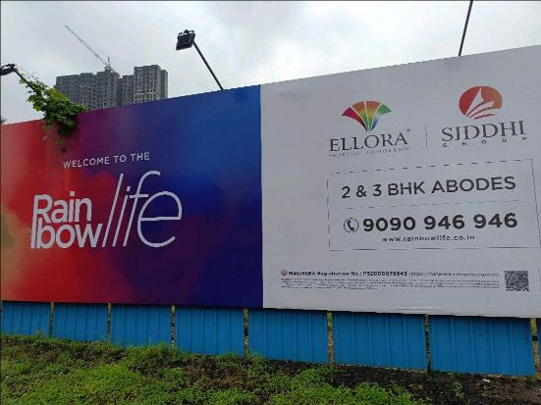

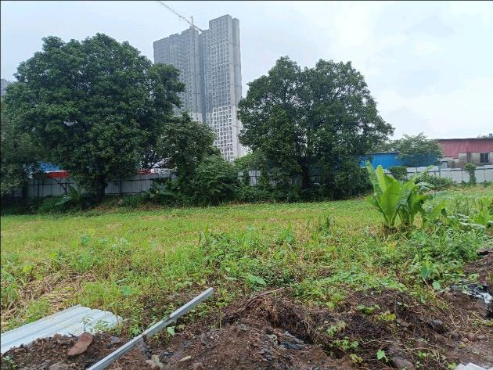
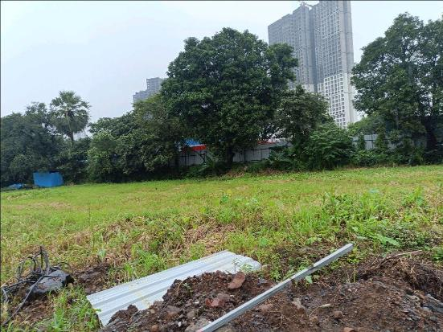
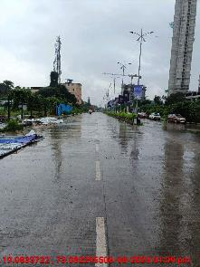

Authorized Signatory Name & Signature

